Online Keno
 |  |  |  |  | 24.24%
FY23 |  |  |  |  |  |  |  | FY23 | FY24
 | Turnover | Payout | Prizes | Player Loss | Taxes | Gov Revenue | Company Take |  |  | Payout | 75.0% | 75.0% | 75.0%
TLC | 115.6 | 75.0% | 8670.0% | 28.9 | 24.22% | 7.0 | 21.9 |  |  | Prizes | 8670.0% | 870.0% | 5280.0%
LottoLand | 11.6 | 75.0% | 870.0% | 2.9 | 24.14% | 0.7 | 2.2 |  |  | Player Loss | 28.9 | 2.9 | 17.6
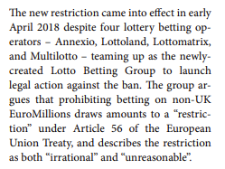
Other | 70.4 | 75.0% | 5280.0% | 17.6 | 24.43% | 4.3 | 13.3 |  |  | Taxes | 24.22% | 24.14% | 24.43%
 |  |  |  |  |  |  |  |  |  | Gov Revenue | 7.0 | 0.7 | 4.3

TLC includes Land Based
 |  |  |  |  |  |  |  |  |  | Company Take | 21.9 | 2.2 | 13.3
 | FY23 | FY24 | FY25
Turnover
TLC | 115.6 | 183.7 | 170.0
LottoLand | 11.6 | 25.3 | 32.8
Other | 70.4 | 0.6 | 1.2
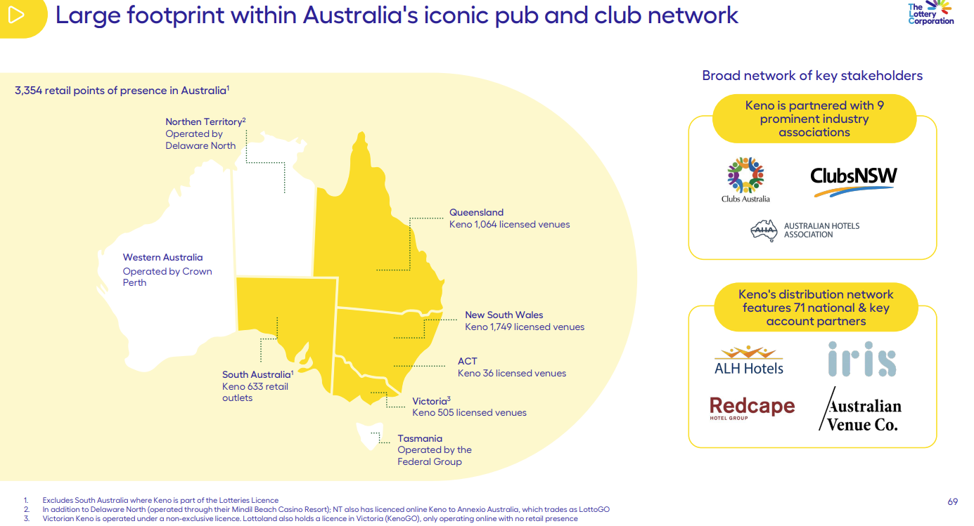
Prizes
% of Turnover | 75.0% | 75.0% | 75.0%

Payout
TLC | 28.9 | 45.9 | 42.5
LottoLand | 2.9 | 6.3 | 8.2
Other | 17.6 | 0.2 | 0.3

Taxes
TLC | 24.2% | 24.2% | 24.2%
LottoLand | 24.1% | 24.3% | 24.2%
Other | 24.4% | 26.7% | 23.3%

Gov Revenue
TLC | 7.0 | 11.1 | 10.3
LottoLand | 0.7 | 1.5 | 2.0
Other | 4.3 | 0.0 | 0.1

Company Take
TLC | 21.9 | 34.8 | 32.2
LottoLand | 2.2 | 4.8 | 6.2
Other | 13.3 | 0.1 | 0.2

 | 176.4 | 76.0% | 13403.4% |  | 2.5% | 4.409
 |  |  |  |  | ^^ turnover

LottoLand vs TLC
 |  | CY20 | CY21 | CY22 | CY23 | CY24 | CY25 |  |  | 1H20A | 2H20A | 1H21A | 2H21A | 1H22A | 2H22A | 1H23A | 2H23A | 1H24A | 2H24A | 1H25A | 2H25A | 1H26A
 |  | Dec-20 | Dec-21 | Dec-22 | Dec-23 | Dec-24 | Dec-25 |  | Keno Land | 583 | 316 | 590 | 563 | 445 | 601 | 666 | 624 | 682 | 665 | 720 | 736 | 774
Stakes – KenoGo |  |  |  | 129,019 | 34,537,139 | 216,984,500 | 423,310,356 |  | Keno Online | 43 | 79 | 122 | 90 | 129 | 114 | 115 | 94 | 103 | 101 | 85 | 81 | 88
Payout - KenoGo |  |  |  | -86,037 | -25,473,512 | -165,392,487 | -323,218,140
NGR |  |  |  | 39,075 | 5,754,455 | 39,593,367 | 77,813,083 |  | Keno Land | 2,243 | 1,835 | 2,082 | 2,032 | 2,170 | 2,016 | 2,247 | 1,827 | 2,082 | 2,260 | 1,943 | 1,992 | 1,900
 |  |  |  |  |  |  |  |  | Keno Online | 815 | 773 | 986 | 1,025 | 1,268 | 1,262 | 1,402 | 1,138 | 1,367 | 1,638 | 1,319 | 1,505 | 1,331
 | LottoLand |  |  | 0 | 35 | 217 | 423
 |  |  |  | 0 | -25 | -165 | -323 |  |  |  | CY20 | CY21 | CY22 | CY23 | CY24 | CY25
 |  |  |  | 0 | 6 | 40 | 78 |  |  |  | 906 | 1,008 | 1,267 | 1,306 | 1,385 | 1,510 |  |  |  | -17.5% | -19.8%
 |  |  |  |  |  |  |  |  |  |  | 201 | 219 | 229 | 197 | 186 | 169
 |  |  |  |  |  |  |  |  |  |  |  |  |  |  |  |  |  |  | 204 |  | 166
TLC Retail | TLC | 906 | 1,008 | 1,267 | 1,306 | 1,385 | 1,510 |  |  |  | 3,917 | 4,202 | 4,263 | 3,909 | 4,203 | 3,892 |  |  |  |  | -18.6%
TLC online |  | 201 | 219 | 229 | 197 | 186 | 169 | 2.5047950059 |  |  | 1,759 | 2,293 | 2,664 | 2,505 | 2,957 | 2,836

$$\sim$$
 |  | 3,917 | 4,202 | 4,263 | 3,909 | 4,203 | 3,892
 |  | 1,759 | 2,293 | 2,664 | 2,505 | 2,957 | 2,836 | ~ |  | ~

 |  | 201 | 219 | 229 | 232 | 403 | 592

 |  | 23.1% | 24.0% | 29.7% | 33.4% | 33.0% | 38.8%

 |  | 0 | 0 | 0 | 35 | 217 | 423
 |  | 201 | 219 | 229 | 197 | 186 | 169

 | LottoLand | 0.0% | 0.0% | 0.0% | 1.4% | 7.3% | 14.9%
 | TLC | 11.4% | 9.6% | 8.6% | 7.9% | 6.3% | 6.0%

 |  |  |  | 0 | 35 | 217
 |  |  |  | 0 | -25 | -165
 |  |  |  | 0 | 6 | 40

 | TLC | LottoLand
CY20 | 201
CY21 | 219
CY22 | 229 | 0.129019
CY23 | 197 | 34.537139
CY24 | 186 | 216.9845
CY25 | 169 | 423.310356

Accounting
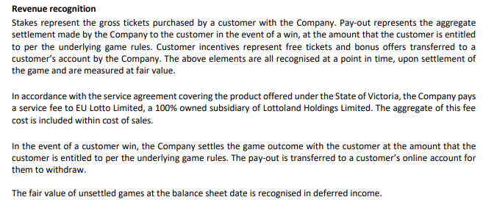

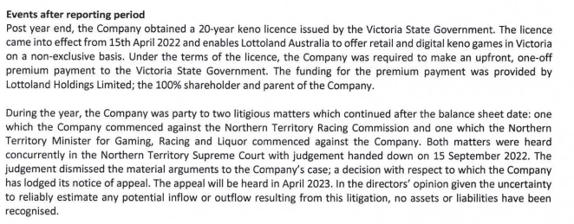

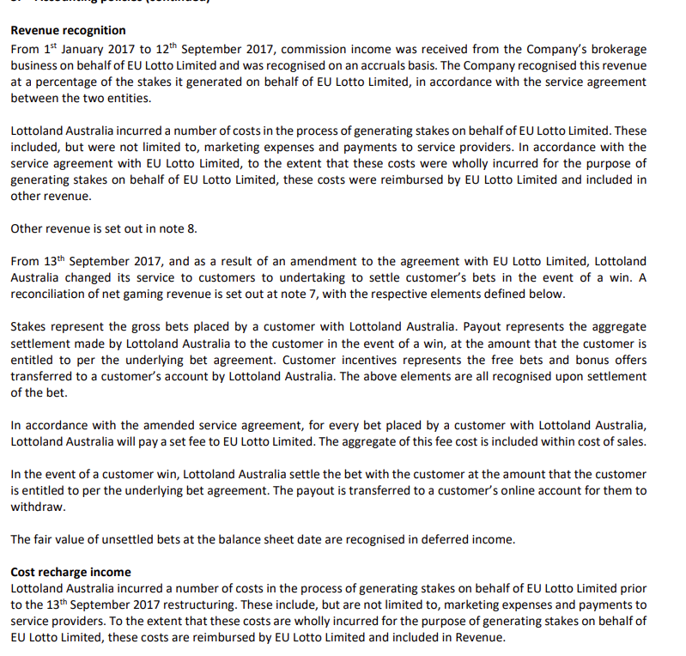

Vic Sensitivity Analysis
 | https://www.vgccc.vic.gov.au/about-us/annual-reports |  |  |  |  |  |  |  |  |  |  |  |  |  |  |  |  |  |  |  |  |  |  |  |  |  |  |  |  |  | X |  |  |  |  |  |  |  |  |  | X |  |  |  |  |  |  |  |  |  | X |  |  |  |  |  |  |  |  |  | X |  |  |  |  |  |  |  |  |  | X |  |  |  |  |  |  |  |  |  | X
 |  |  |  |  |  |  |  |  |  |  |  |  |  |  | FY12A | FY13A | FY14A | FY15A | FY16A | FY17A | FY18A | FY19A | FY20A | FY21A | FY22A | FY23A | FY24A | FY25E | FY26E | FY27E | FY28E | FY29E | FY30E | FY31E | FY32E | FY33E | FY34E | FY35E | FY36E | FY37E | FY38E | FY39E | FY40E | FY41E | FY42E | FY43E | FY44E | FY45E | FY46E | FY47E | FY48E | FY49E | FY50E | FY51E | FY52E | FY53E | FY54E | FY55E | FY56E | FY57E | FY58E | FY59E | FY60E | FY61E | FY62E | FY63E | FY64E | FY65E | FY66E | FY67E | FY68E | FY69E | FY70E | FY71E | FY72E | FY73E | FY74E | FY75E | FY76E | FY77E | FY78E

 | Licence Length |  |  |  |  |  |  |  |  |  |  |  |  |  |  |  |  |  |  |  |  | 1 | 2 | 3 | 4 | 5 | 6 | 7 | 8 | 9 | 10 | 1 | 2 | 3 | 4 | 5 | 6 | 7 | 8 | 9 | 10 | 11 | 12 | 13 | 14 | 15 | 16 | 17 | 18 | 19 | 20 | 21 | 22 | 23 | 24 | 25 | 26 | 27 | 28 | 29 | 30 | 31 | 32 | 33 | 34 | 35 | 36 | 37 | 38 | 39 | 40 | 41 | 42 | 43 | 44 | 45 | 46 | 47 | 48 | 49 | 50
 |  | Units | FY00 | FY01 | FY02 | FY03 | FY04 | FY05 | FY06 | FY07 | FY08 | FY09 | FY10 | FY11 | FY12 | FY13 | FY14 | FY15 | FY16 | FY17 | FY18 | FY19 | FY20 | FY21 | FY22 | FY23 | FY24 | FY25 | FY26 | FY27 | FY28 | FY29 | FY30 | FY31 | FY32 | FY33 | FY34 | FY35 | FY36 | FY37 | FY38 | FY39 | FY40 | FY41 | FY42 | FY43 | FY44 | FY45 | FY46 | FY47 | FY48 | FY49 | FY50 | FY51 | FY52 | FY53 | FY54 | FY55 | FY56 | FY57 | FY58 | FY59 | FY60 | FY61 | FY62 | FY63 | FY64 | FY65 | FY66 | FY67 | FY68 | FY69 | FY70 | FY71 | FY72 | FY73 | FY74 | FY75 | FY76 | FY77 | FY78
 |  |  | Jun-00 | Jun-01 | Jun-02 | Jun-03 | Jun-04 | Jun-05 | Jun-06 | Jun-07 | Jun-08 | Jun-09 | Jun-10 | Jun-11 | Jun-12 | Jun-13 | Jun-14 | Jun-15 | Jun-16 | Jun-17 | Jun-18 | Jun-19 | Jun-20 | Jun-21 | Jun-22 | Jun-23 | Jun-24 | Jun-25 | Jun-26 | Jun-27 | Jun-28 | Jun-29 | Jun-30 | Jun-31 | Jun-32 | Jun-33 | Jun-34 | Jun-35 | Jun-36 | Jun-37 | Jun-38 | Jun-39 | Jun-40 | Jun-41 | Jun-42 | Jun-43 | Jun-44 | Jun-45 | Jun-46 | Jun-47 | Jun-48 | Jun-49 | Jun-50 | Jun-51 | Jun-52 | Jun-53 | Jun-54 | Jun-55 | Jun-56 | Jun-57 | Jun-58 | Jun-59 | Jun-60 | Jun-61 | Jun-62 | Jun-63 | Jun-64 | Jun-65 | Jun-66 | Jun-67 | Jun-68 | Jun-69 | Jun-70 | Jun-71 | Jun-72 | Jun-73 | Jun-74 | Jun-75 | Jun-76 | Jun-77 | Jun-78

X | VGCCC
 | Player loss
 | Gaming machines – hotels and clubs | A$m |  |  |  |  |  |  |  |  |  |  |  |  | 2,681.5 | 2,490.5 | 2,504.3 | 2,571.9 | 2,616.7 | 2,609.5 | 2,695.3 | 2,698.7 | 1,988.2 | 1,562.2 | 2,237.2 | 3,021.7 | 3,030.0 | 3,145.1
 | Melbourne casino – gaming machines and table games | A$m |  |  |  |  |  |  |  |  |  |  |  |  | 1,528.0 | 1,536.1 | 1,556.8 | 1,864.4 | 1,851.7 | 1,556.3 | 1,773.6 | 1,679.1 | 1,235.4 | 399.2 | 644.6 | 983.2 | 950.9 | 957.8
 | Lotteries (Victoria only) | A$m |  |  |  |  |  |  |  |  |  |  |  |  | 486.4 | 529.7 | 492.1 | 500.6 | 525.0 | 501.7 | 517.8 | 642.5 | 652.4 | 722.9 | 788.3 | 763.8 | 845.6 | 766.6
 | Wagering Total | A$m |  |  |  |  |  |  |  |  |  |  |  |  | 789.2 | 825.1 | 825.2 | 857.9 | 826.9 | 830.6 | 848.2 | 827.3 | 746.7 | 2,379.3 | 775.7 | 2,587.8 | 2,514.2 | 2,464.5
 | Keno Total | A$m |  |  |  |  |  |  |  |  |  |  |  |  | 7.1 | 13.9 | 15.0 | 16.7 | 19.7 | 23.4 | 23.1 | 22.0 | 15.6 | 13.4 | 16.5 | 49.4 | 52.4 | 51.0
 | Total | A$m |  |  |  |  |  |  |  |  |  |  |  |  | 5,492.2 | 5,395.3 | 5,393.4 | 5,811.6 | 5,840.0 | 5,521.5 | 5,857.9 | 5,869.6 | 4,638.4 | 3,464.3 | 4,462.3 | 7,405.9 | 7,393.1 | 7,385.1
 | Check |  |  |  |  |  |  |  |  |  |  |  |  |  | 0.0 | 0.0 | 0.0 | 0.1 | 0.0 | 0.0 | -0.1 | 0.0 | 0.0 | -1,612.7 | 0.0 | 0.0 | 0.0 | 0.0

 | Wagering – wagering and betting licensee Tabcorp | A$m |  |  |  |  |  |  |  |  |  |  |  |  |  |  |  |  |  |  |  |  |  | 766.6 |  | 802.6 | 790.1 | 737.8
 | Wagering – other entities | A$m |  |  |  |  |  |  |  |  |  |  |  |  |  |  |  |  |  |  |  |  |  | 1,612.7 |  | 1,785.2 | 1,724.0 | 1,726.7
 | Keno – keno Licensee TLC^ | A$m |  |  |  |  |  |  |  |  |  |  |  |  |  |  |  |  |  |  |  |  |  |  |  | 28.9 | 45.9 | 42.5
 | Keno – keno Licensee Lottoland^ | A$m |  |  |  |  |  |  |  |  |  |  |  |  |  |  |  |  |  |  |  |  |  |  |  | 2.9 | 6.3 | 8.2
 | Keno – other entities^^ | A$m |  |  |  |  |  |  |  |  |  |  |  |  |  |  |  |  |  |  |  |  |  |  |  | 17.6 | 0.2 | 0.3

 | Taxes and levies paid into the consolidated fund
 | Gaming machines – hotels and clubs | A$m |  |  |  |  |  |  |  |  |  |  |  |  | 1,011.9 | 841.0 | 870.5 | 961.6 | 984.1 | 977.1 | 1,023.2 | 1,023.3 | 749.3 | 570.9 | 846.2 | 1,239.9 | 1,248.6 | 1,312.8
 | Melbourne casino – gaming machines and table games | A$m |  |  |  |  |  |  |  |  |  |  |  |  | 195.3 | 201.3 | 207.7 | 205.4 | 218.6 | 207.7 | 216.9 | 228.4 | 149.4 | 72.2 | 114.4 | 167.8 | 180.7 | 176.3
 | Lotteries (Victoria only) | A$m |  |  |  |  |  |  |  |  |  |  |  |  | 386.7 | 420.5 | 390.7 | 397.5 | 423.4 | 398.3 | 411.0 | 510.4 | 518.3 | 574.3 | 626.3 | 608.2 | 671.7 | 605.4
 | Wagering Total | A$m |  |  |  |  |  |  |  |  |  |  |  |  | 136.5 | 68.2 | 57.6 | 58.7 | 55.6 | 54.1 | 53.9 | 58.7 | 59.7 | 189.0 | 77.6 | 253.5 | 246.5 | 362.1
 | Keno Total | A$m |  |  |  |  |  |  |  |  |  |  |  |  | 1.7 | 3.4 | 3.6 | 4.1 | 4.8 | 5.7 | 5.6 | 5.3 | 3.8 | 3.3 | 4.0 | 12.0 | 12.7 | 12.4
 | Total | A$m |  |  |  |  |  |  |  |  |  |  |  |  | 1,732.1 | 1,576.8 | 1,530.1 | 1,627.3 | 1,686.5 | 1,642.8 | 1,710.6 | 1,826.2 | 1,480.5 | 1,281.8 | 1,668.4 | 2,281.4 | 2,360.2 | 2,469.0
 | Check |  |  |  |  |  |  |  |  |  |  |  |  |  | 0.0 | 42.4 | 0.0 | 0.0 | 0.0 | -0.1 | 0.0 | 0.1 | 0.0 | -127.9 | -0.1 | 0.0 | 0.0 | 0.0

 | Wagering – wagering and betting licensee Tabcorp | A$m |  |  |  |  |  |  |  |  |  |  |  |  |  |  |  |  |  |  |  |  |  |  |  | 80.3 | 79.0 | 110.7
 | Wagering – other entities | A$m |  |  |  |  |  |  |  |  |  |  |  |  |  |  |  |  |  |  |  |  |  |  |  | 173.2 | 167.5 | 251.4
 | Keno – keno Licensee TLC^ | A$m |  |  |  |  |  |  |  |  |  |  |  |  |  |  |  |  |  |  |  |  |  |  |  | 7.0 | 11.1 | 10.3
 | Keno – keno Licensee Lottoland^ | A$m |  |  |  |  |  |  |  |  |  |  |  |  |  |  |  |  |  |  |  |  |  |  |  | 0.7 | 1.5 | 2.0
 | Keno – other entities^^ | A$m |  |  |  |  |  |  |  |  |  |  |  |  |  |  |  |  |  |  |  |  |  |  |  | 4.3 | 0.0 | 0.1

 | Taxes %
 | EGM's (Clubs & Hotels) | % |  |  |  |  |  |  |  |  |  |  |  |  | 37.7% | 33.8% | 34.8% | 37.4% | 37.6% | 37.4% | 38.0% | 37.9% | 37.7% | 36.5% | 37.8% | 41.0% | 41.2% | 41.7%
 | Crown Casino | % |  |  |  |  |  |  |  |  |  |  |  |  | 12.8% | 13.1% | 13.3% | 11.0% | 11.8% | 13.3% | 12.2% | 13.6% | 12.1% | 18.1% | 17.7% | 17.1% | 19.0% | 18.4%
 | Lotteries | % |  |  |  |  |  |  |  |  |  |  |  |  | 79.5% | 79.4% | 79.4% | 79.4% | 80.6% | 79.4% | 79.4% | 79.4% | 79.4% | 79.4% | 79.4% | 79.6% | 79.4% | 79.0%
 | Wagering | % |  |  |  |  |  |  |  |  |  |  |  |  | 17.3% | 8.3% | 7.0% | 6.8% | 6.7% | 6.5% | 6.4% | 7.1% | 8.0% | 7.9% | 10.0% | 9.8% | 9.8% | 14.7%
 | Keno | % |  |  |  |  |  |  |  |  |  |  |  |  | 23.9% | 24.5% | 24.0% | 24.6% | 24.4% | 24.4% | 24.2% | 24.1% | 24.4% | 24.6% | 24.2% | 24.3% | 24.3% | 24.2%
 | Total | % |  |  |  |  |  |  |  |  |  |  |  |  | 31.5% | 29.2% | 28.4% | 28.0% | 28.9% | 29.8% | 29.2% | 31.1% | 31.9% | 37.0% | 37.4% | 30.8% | 31.9% | 33.4%

X | VIC STATE GOV

 | https://www.dtf.vic.gov.au/state-financial-reports/financial-report-inc-quarterly-financial-report-no-4
 | https://www.dtf.vic.gov.au/2024-25-state-budget/2024-25-statement-finances

 | Taxes on the Provision of Goods & Services
 | Lotteries | A$m |  |  |  |  |  |  |  |  |  |  |  |  | 428.2 | 428.9 | 394.1 | 401.0 | 427.0 | 402.0 | 415.0 | 523.0 | 530.0 | 586.0 | 638.0 | 621.0 | 689.0 | 694.0 | 716.0 | 738.0 | 762.0
 | EGM's (Clubs & Hotels) | A$m |  |  |  |  |  |  |  |  |  |  |  |  | 1,076.8 | 1,009.9 | 967.1 | 1,059.0 | 1,079.0 | 1,070.0 | 1,115.0 | 1,121.0 | 844.0 | 665.0 | 940.0 | 1,365.0 | 1,383.0 | 1,407.0 | 1,282.0 | 1,164.0 | 1,198.0
 | Crown Casino | A$m |  |  |  |  |  |  |  |  |  |  |  |  | 216.3 | 200.8 | 208.7 | 217.0 | 228.0 | 227.0 | 222.0 | 241.0 | 161.0 | 146.0 | 142.0 | 180.0 | 208.0 | 196.0 | 201.0 | 205.0 | 206.0
 | Wagering | A$m |  |  |  |  |  |  |  |  |  |  |  |  | 91.5 | 87.5 | 82.5 | 82.0 | 77.0 | 74.0 | 72.0 | 110.0 | 166.0 | 221.0 | 292.0 | 287.0 | 277.0 | 435.0 | 451.0 | 461.0 | 471.0
 | Keno | A$m |  |  |  |  |  |  |  |  |  |  |  |  | 18.4 | 18.2 | 19.9 | 22.0 | 23.0 | 26.0 | 28.0 | 11.0 | 10.0 | 9.0 | 10.0 | 17.0 | 18.0 | 18.0 | 19.0 | 20.0 | 20.0
 | Total | A$m |  |  |  |  |  |  |  |  |  |  |  |  | 1,831.2 | 1,745.3 | 1,672.3 | 1,781.0 | 1,834.0 | 1,799.0 | 1,852.0 | 2,006.0 | 1,711.0 | 1,627.0 | 2,022.0 | 2,470.0 | 2,575.0 | 2,750.0 | 2,669.0 | 2,588.0 | 2,657.0
 | Historicals | A$m |  |  |  | 1,326.0 | 1,324.1 | 1,369.3 | 1,460.2 | 1,508.7 | 1,594.6 | 1,648.7 | 1,631.5 | 1,651.6 | 1,730.6 | 1,745.4 | 1,672.2 | 1,780.6 | 1,833.6 | 1,798.1 | 1,851.3 | 2,006.7 | 1,710.5
 | Non Lotteries

 | Licence Revenue - Difference between VIC & VGCCC
 | Public lotteries | A$m |  |  |  |  |  |  |  |  |  |  |  |  | 41.5 | 8.4 | 3.4 | 3.5 | 3.6 | 3.7 | 4.0 | 12.6 | 11.7 | 11.7 | 11.7 | 12.8
 | EGM's | A$m |  |  |  |  |  |  |  |  |  |  |  |  | 64.9 | 168.9 | 96.6 | 97.4 | 94.9 | 92.9 | 91.8 | 97.7 | 94.7 | 94.1 | 93.8 | 125.1
 | Casino | A$m |  |  |  |  |  |  |  |  |  |  |  |  | 21.0 | -0.5 | 1.0 | 11.6 | 9.4 | 19.3 | 5.1 | 12.6 | 11.6 | 73.8 | 27.6 | 12.2
 | Wagering | A$m |  |  |  |  |  |  |  |  |  |  |  |  | -45.0 | 19.3 | 24.9 | 23.3 | 21.4 | 19.9 | 18.1 | 51.3 | 106.3 | 32.0 | 214.4 | 33.5
 | Other | A$m |  |  |  |  |  |  |  |  |  |  |  |  | 16.7 | 14.8 | 16.3 | 17.9 | 18.2 | 20.3 | 22.4 | 5.7 | 6.2 | 5.7 | 6.0 | 5.0
 | Total Calc | A$m |  |  |  |  |  |  |  |  |  |  |  |  | 99.1 | 210.9 | 142.2 | 153.7 | 147.5 | 156.1 | 141.4 | 179.9 | 230.5 | 217.3 | 353.5 | 188.6
 | AR Report | A$m |  |  |  |  |  |  |  |  |  |  |  |  |  |  |  |  |  |  |  |  |  | 157.0 | 157.0 | 184.0

